Introduction
Instructions
Overview
This spreadsheet tool accompanies the Guidance Note 'Risk assessments for WASH'.
Users of the Guidance Note will assess hazard, exposure, vulnerability and capacity and
bring these together to provide an overall scoring of risks. The following risk formula is used:
For the approach capacity is not used in the equation, but assessed separately to help
prioritise risks for identifying resilient options.
The steps in the assessment approach are given in Figure 1. There are two parts to
the assessment:
Part 1: High-level assessment for risks across all hazard groups. The worksheets
for this assessment are in blue.
Part 2: Detailed assessment for climate risks. The worksheets for this assessment
are in green.
The spreadsheet tool helps to complete the assessments, designed to be filled in by
facilitators following a workshop.
A few examples have been provided in each worksheet. Figure 1: Assessment approach

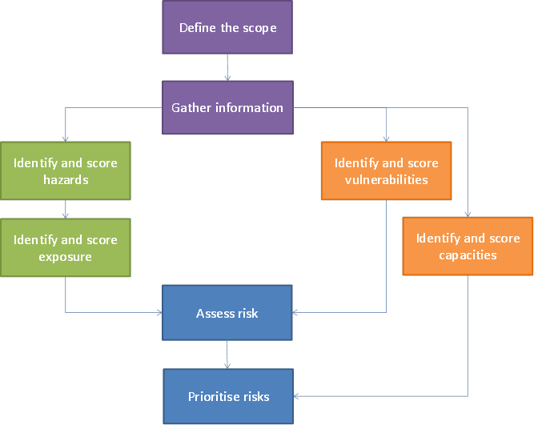

Hazards
Identify hazards
The purpose of this step is to identify the hazards that could impact on the WASH sector. A list of hazards according to different groups is given in Section 4 in the Guidance Note. Once you have identified all of the relevant hazards, you will then need to record any available information you have about the hazards.
Score hazards
In this step you will score each of the hazards that you have identified as relevant. The way to do this is to consider the characteristics of the hazard so that each can be classified and assigned a score which corresponds to a traffic light system.
Assign a confidence score
A confidence score of high, medium or low will need to be assigned to each of the scores. Details on how to come up with a confidence score are given in Section 4.3 in the Guidance Note.
The table below shows the differences between the assessment methods for identifying and scoring hazards. More details are given in the Guidance Note.

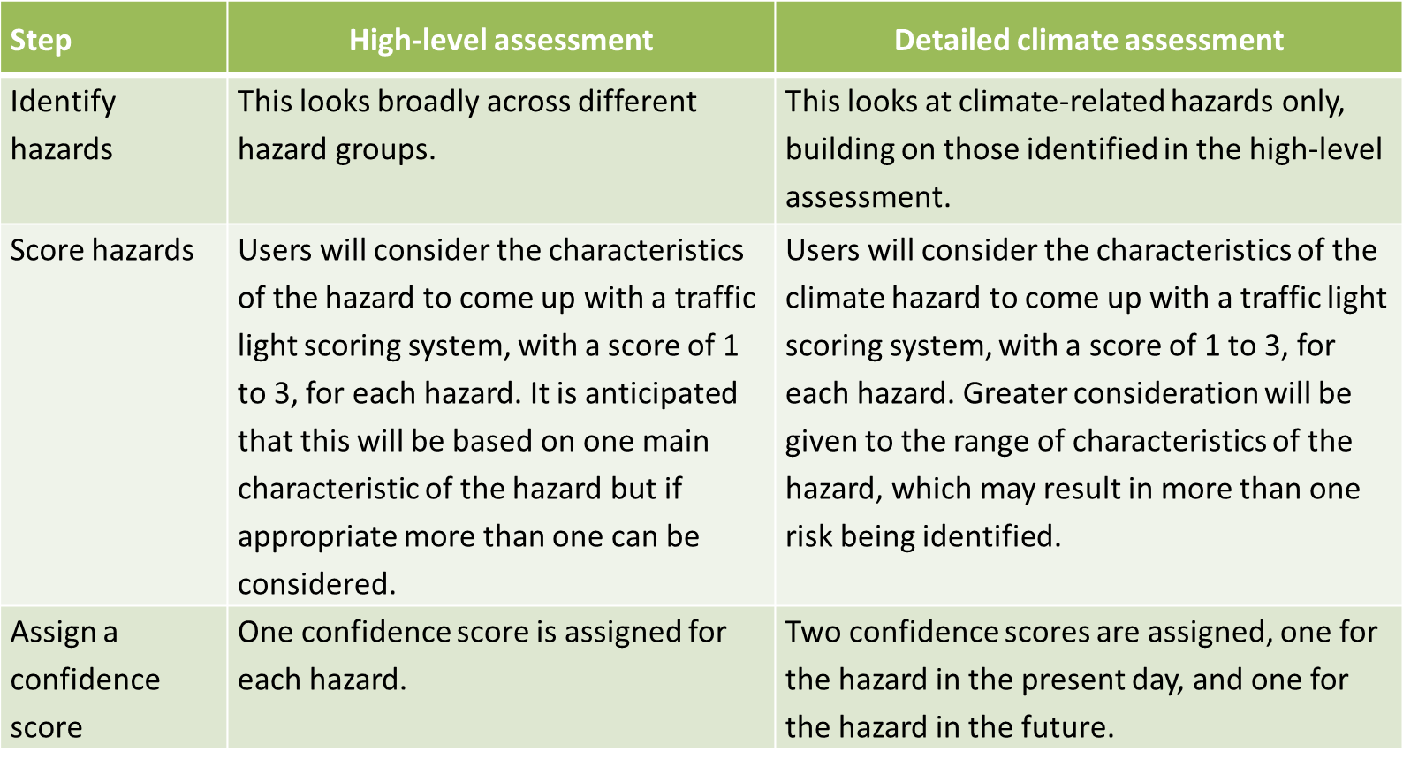

Exposure
Identify exposure
In this step, you will need to identify the exposure for the full list of hazards that you have identified. Record this information by including the different types of exposure as individual entries.
Score exposure
In this part of the assessment you will score exposure. Exposure can be considered in six different components, given in Figure 2. To help you to score exposure, some suggested indicators of exposure have been identified for four of the components, given in Section 5.2 in the Guidance Note. You will need to come up with a score for each exposure.
Assign a confidence score
A confidence score of high, medium or low will need to be assigned to each of the scores. Details on how to come up with a confidence score are given in Section 4.3 in the Guidance Note.
The table below outlines the differences between the high-level and detailed climate assessments for the exposure steps of the process. More details are given in Section 5 in the Guidance Note.
Figure 2: Components of exposure, vulnerability and capacity

Vulnerability
Identify and score vulnerabilities
In this step, you will identify the different vulnerabilities with respect to the WASH sector. Vulnerability can be considered in six different components, given in Figure 2.
Table 6.2 in the Guidance Note sets out the six components with respect to the WASH sector, together with different vulnerability factors for each of these components. You can use this table to help you consider and score the areas of vulnerability for both the high-level and detailed climate assessments.
Assign a confidence score
A confidence score of high, medium or low will need to be assigned to each of the scores. Details on how to come up with a confidence score are given in Section 4.3 in the Guidance Note.
The table below outlines the differences between the high-level and detailed climate assessments for the vulnerability steps of the process. More details are given in Section 6 in the Guidance Note.

Capacity
Identify and assess/score capacities
The next step is to identify capacity with respect to the WASH sector. Capacity can be considered in six different components, given in Figure 2.
Table 7.2 in the Guidance Note sets out the six components with respect to the WASH sector, together with different capacity factors and elements and questions. You can use this table to help you consider and score different areas of capacity for both the high-level and detailed climate assessments.
Confidence score
Note that you don’t need to assess confidence for capacity, because the capacity scores will not be used to determine the overall risk score.
The table below outlines the differences between the high-level and detailed climate assessments for the capacity steps of the process. More details are given in Section 7 in the Guidance Note.

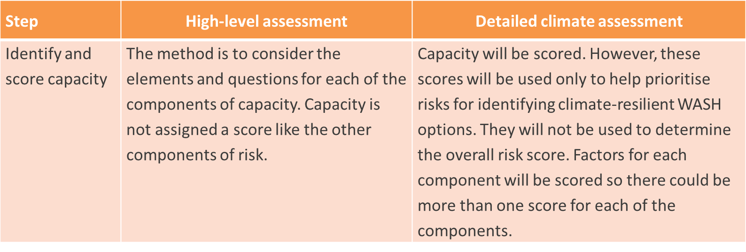

Risk
Assess risk
In this step the individual scores for hazard, exposure and vulnerability are combined to come up with an overall score for risks. These scores can then be used to rank the risks to determine priorities as they show you what the top risks are. You may want to use a threshold to decide which of the risks you should take forward to the resilient options step of the process.
Prioritise risks
Consider the following questions to make sure that you are satisfied with the list of prioritised risks:
Are you satisfied with the total number of risks to take forward for further analysis?
Are there any risks in the prioritised list that you think shouldn’t be included?
Are there any risks not in the prioritised list that you think should be included?
Confidence scores and sensitivity analysis
Separate confidence scores have been assigned throughout the assessment. When looking at the overall risk, it will be important to have an understanding of what the confidence is for each individual component. This will help you to identify where you may need to do sensitivity testing for some of the risks, to ensure you are happy with the overall scores. More details on sensitivity analysis are given in Section 4.3 of the Guidance Note.

